Sheet1
Requirement ID | Requirement Description | Story points | Priority | Sprint No. | Status
1 | Create Repository and setup Jira/Github integration | 1 | 1 | 1 | Complete. Respository is setup as demonstrated by the submission link
2 | Implement Spotify OAuth 2.0 login to authenticate users without creating new accounts | 13 | 1 | 1 | Complete. Users click the login button (see Figure 2) and are taken to Spotify's OAuth login screen (See Figure 4). Spotify's authentication and authroization servers then post a callback to our application and we redirect the user to their Scorify dashboard (See Figures 1 and 3).
3 | Fetch user's username from Spotify | 2 | 1 | 1 | Complete. We fetch the user's username from Spotify. See Figure 1.
4 | Fetch user profile picture from Spotify | 3 | 1 | 1 | Complete. We fetch the user's profile picture from Spotify. See Figure 1.
6 | Setup database to store Spotify data | 3 | 1 | 1 | Complete. We now have a database server setup remotely that is accessible for this project. See dbconnection/postgresql_info.md in GitHub (Figure 5).
16 | After logging in, show the logged-in user's dashboard by default | 3 | 1 | 1 | Complete. On log-in, it shows the logged-in user's dashboard. See Figure 1.
17 | On application launch, display a log-in with Spotify landing page | 5 | 1 | 1 | Complete. When the application is launched, by default it shows the login with Spotify landing page. See Figure 2.
19 | Display user's username on user's dashboard | 2 | 1 | 1 | Complete. We display the user's username on their dashboard. See Figure 1.
20 | Display user's profile picture on user's dashboard | 2 | 1 | 1 | Complete. We display the user's profile picture on their dashboard. See Figure 1.
22 | Derive formula to calculate diversity score based on genres listened to | 5 | 2 | 1 | Complete. See the initial architecture overview document. Also see Figure 6.
24 | Derive formula to calculate a music taste rating based on the average of a series of listening histories | 5 | 2 | 1 | Complete. See the initial architecture overview document. Also see Figure 7.

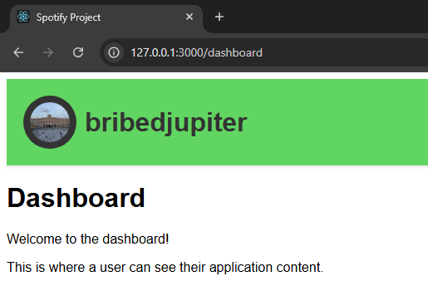

 |  |  |  |  | Figure 3. The loading screen while fetching data from Spotify.

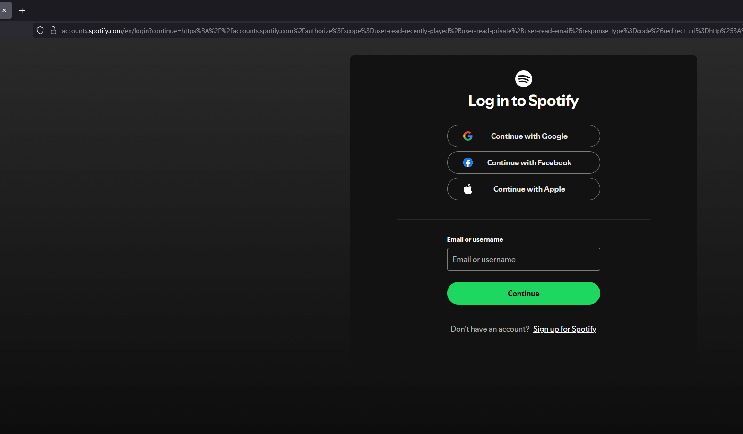

 | Figure 1. The current dashboard page.
 |  |  |  |  | Figure 4. Spotify's authorization service's sign-in page.

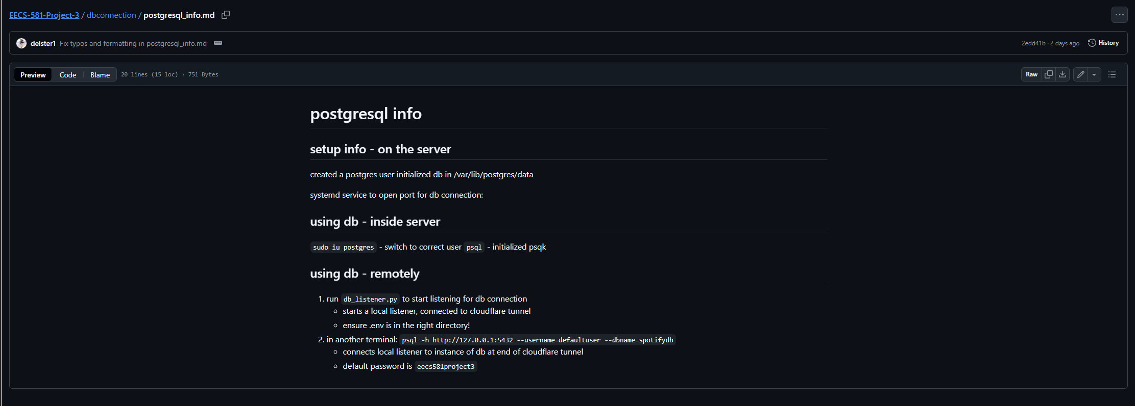
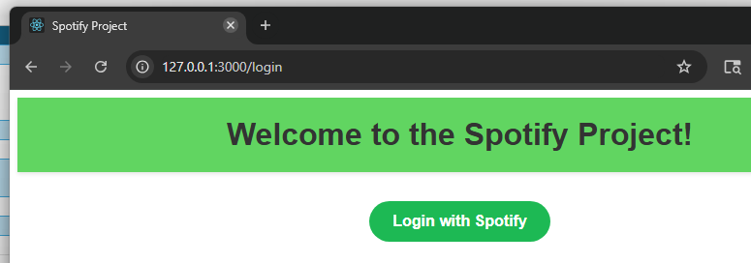

 | Figure 2. The login page.

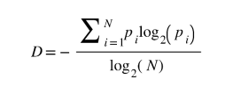

 |  |  |  |  | Figure 5. The database connection information.
 | Figure 6. The genre diversity score formula.

 | Figure 7. The music taste rating score formula.

